Questions
 | Please review the tabs highlighted in green, which contain the rate details for various components of a travel package. Based on your understanding, develop an input-output calculator that enables the team to: 1. Select desired components 2. Automatically compute the total cost 3. Include a 5% business margin on the final pricing Additionally, please include a test case to demonstrate the functionality and accuracy of the calculator. A reference format has been provided for your guidance. Component Index: 1. Hotel 1, Hotel 2, Hotel 3* should be sourced from the Hotels tab 2. Sightseeing options* should be sourced from the Sightseeing tab 3. Meal Plan* to be selected from the Hotels tab 4. Transfer types* to be selected from the Airport Transfers and Inter-Hotel Transfer tabs (calculated per pax) 5. A trigger button should execute the calculator after all inputs are provided 6. The output summary should appear in the yellow table at the bottom Kindly build the calculator based on the above structure (or an improved version, if applicable) using the available data.
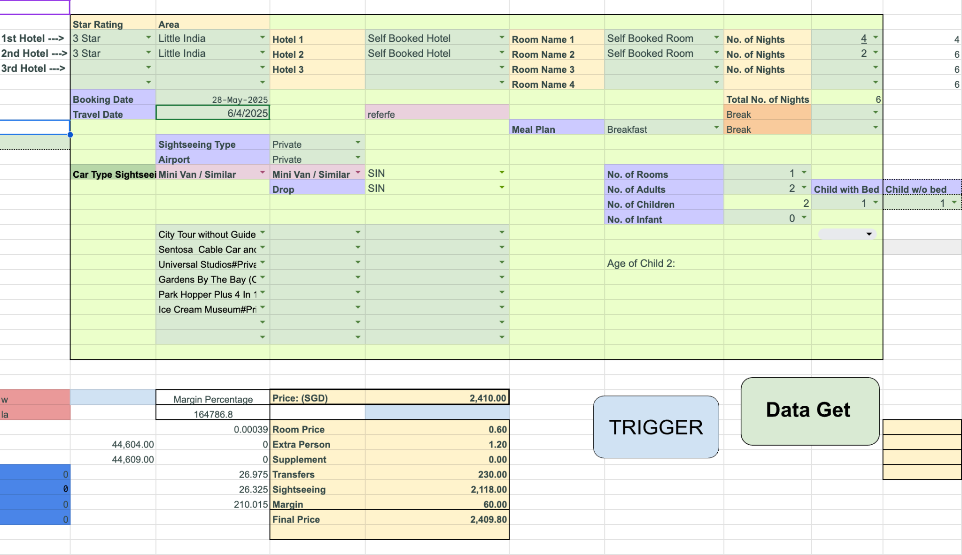

Question 2 | Please refer to the tab highlighted in blue, which contains lead submission data. Based on this data, prepare a report or dashboard that presents: 1. The total number of leads submitted by each Relationship Manager (RM) 2. The current status breakdown of those leads (e.g., Confirmed, Cancelled, Follow-up, etc.) The report should provide a clear, visual overview to help track RM performance and lead progress at a glance.

Question 3 | Please refer to the tab highlighted in blue, which contains lead submission data. Based on this, write the following SQL queries: 1. Write a query to get the total number of leads handled by each RM. 2. Calculate the number of leads by destinationType and their current activity status. 3. Group the leads by month (query_date) and rm, and count the number of leads per combination. 4. List all lead IDs where the number of adults + children + infants is greater than 4

Question 4 | Guesstimate: Estimate the number of people in India who book travel packages online each month.

3. SQL Queries
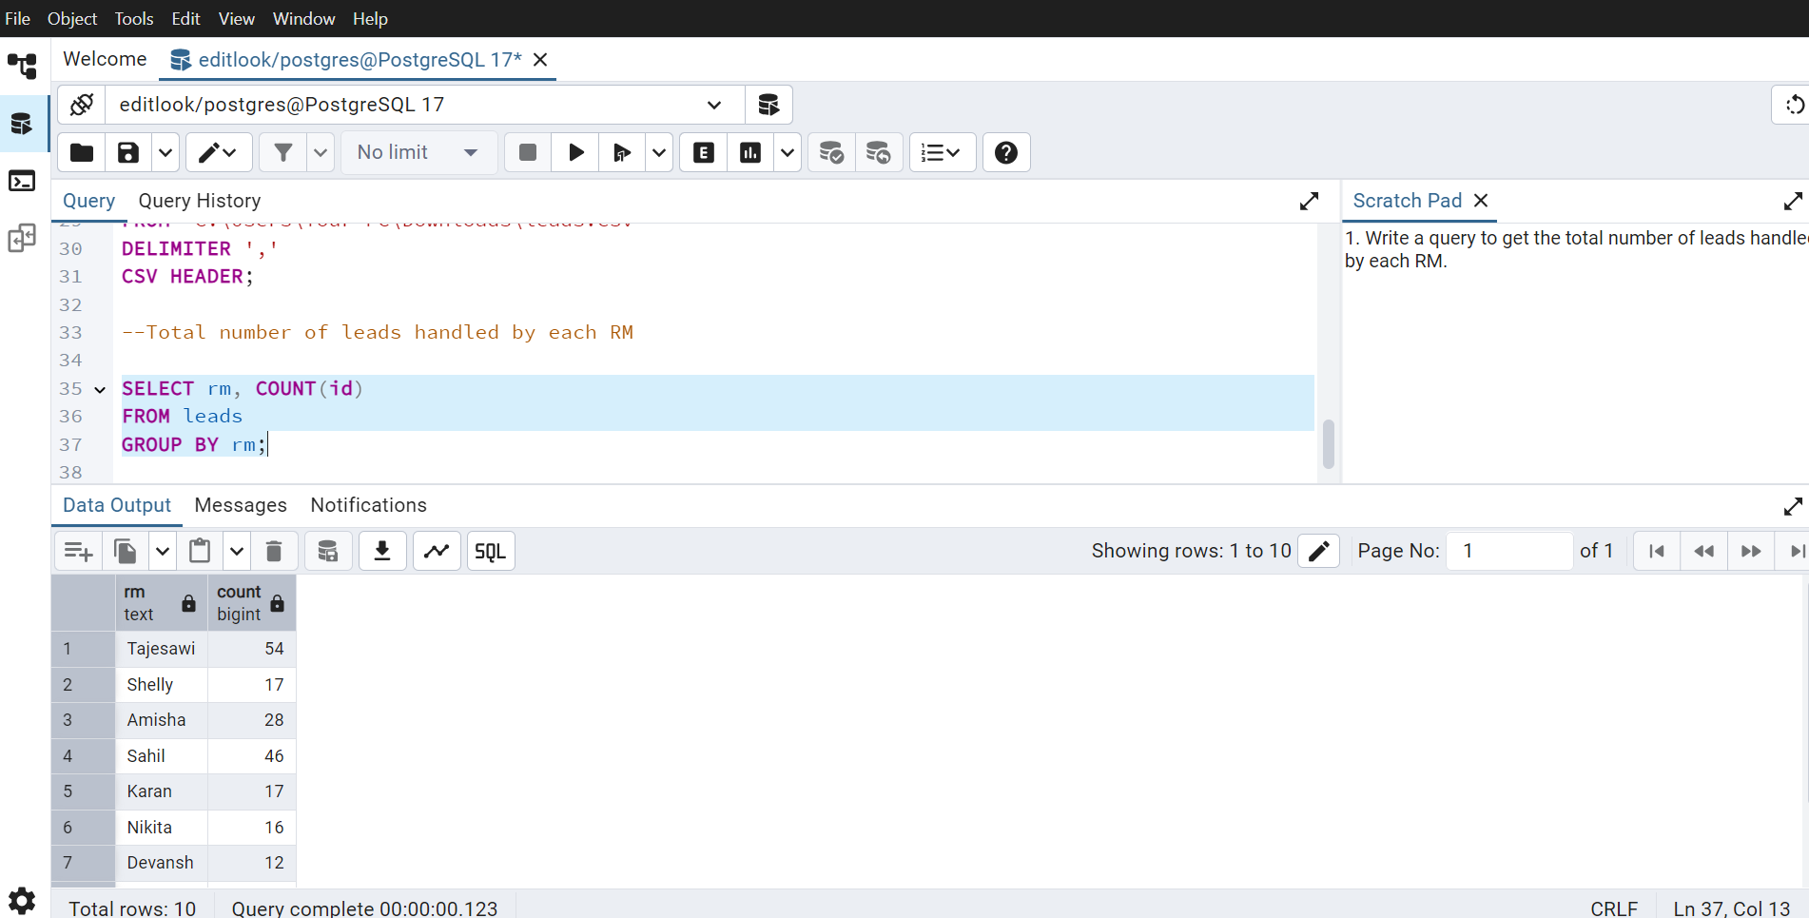
1. Write a query to get the total number of leads handled by each RM.
SELECT rm, COUNT(id) | ~ Selecting rm and counting id for number of leads
FROM leads | ~ From leads table
GROUP BY rm | ~ Group the RM name with number of leads

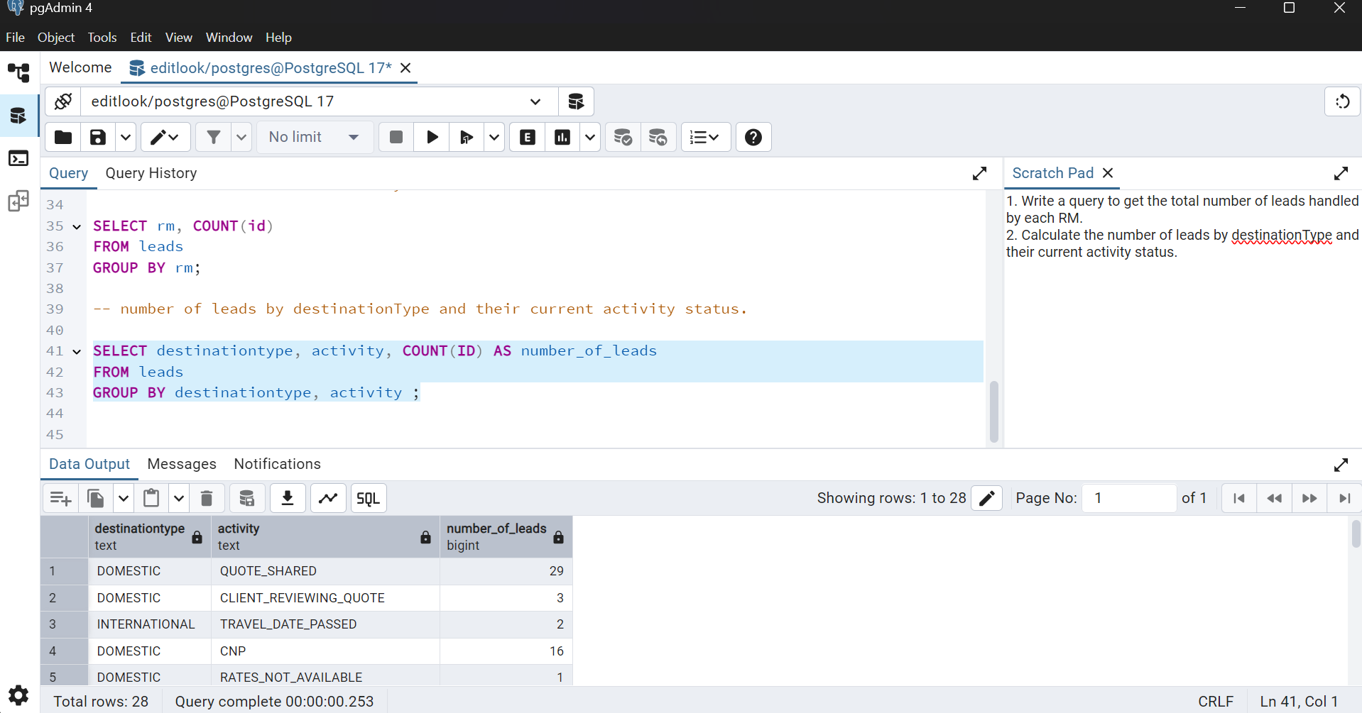
2. Calculate the number of leads by destinationType and their current activity status.
SELECT destinationtype, activity, COUNT(id) AS number_of_leads |  | ~ Selecting destinationtype, activity and counting id for number of leads, also renaming it number_of_leads by using AS.
FROM leads |  | ~ From leads table
GROUP BY destinationtype, activity; |  | ~ Grouping of destinationtype and activity wrt number of leads

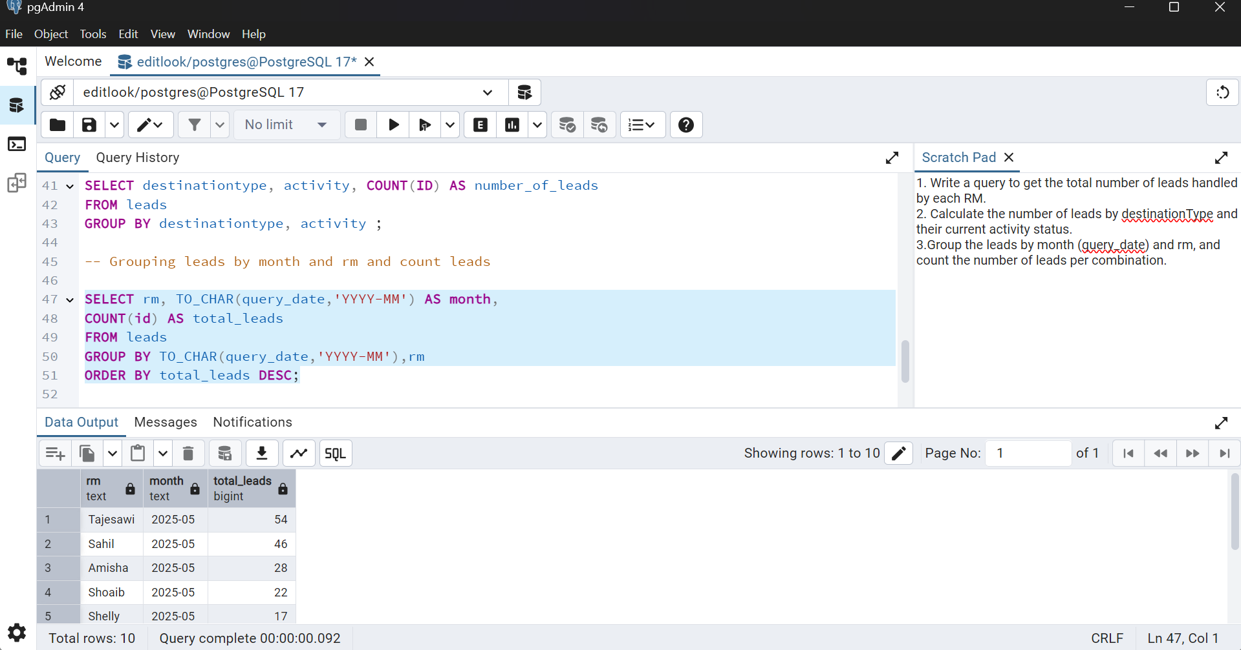
3.Group the leads by month (query_date) and rm, and count the number of leads per combination.
SELECT rm, TO_CHAR(query_date, 'YYYY-MM') AS month, |  | ~ selecting rm, convert date into text using TO_CHAR and count number of leads
COUNT (id) AS total_leads
FROM leads |  | ~ From leads table
GROUP BY TO_CHAR(query_date, 'YYYY-MM'), rm |  | ~ Group the leads by month (query_date) and rm
ORDER BY total_leads DESC; |  | ~ Order in descending for better visibility

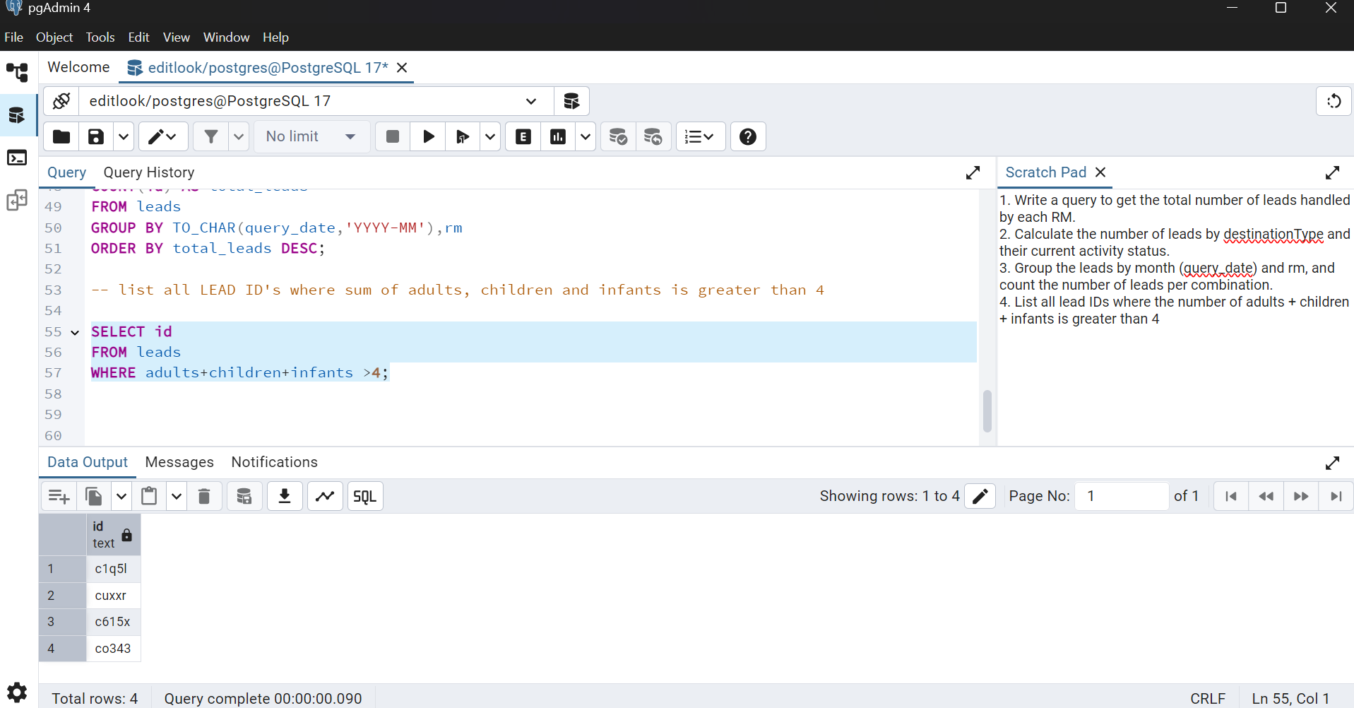
4. List all lead IDs where the number of adults + children + infants is greater than 4
SELECT id |  | ~ selecting id to list
FROM leads |  | ~ from leads table
WHERE adults+children+infants > 4; |  | ~ where sum of adults, children and infants is greater than 4

